Sheet1
Description of the Test | Steps | Expected Result | Actual Result | Status | Comment
Checking Sign Up Funconality | 1. Launching the Website | Succesful registration | Registration Sucessful | Pass
 | 2. Pressing the Sign In Button
 | 3. Entering email then pressing create account button.
 | 4. Entering credetials
 | 4. Clicking Sign Up Button
Checking Sign In Functonality | 1. Launching the Website | Succesful login | Login sucessful | Pass
 | 2. Pressing the Sign In Button
 | 3. Entering email and password
 | 4.Clicking the Sign In Button
Seach Functionality | 1. Launching the Website | Succesful Search Funcionality | Sucessful Search Funcionality | Pass
 | 2. Entering data into the search bar
 | 3. Pressing the search button
Adding items to Cart | 1.Selecting either women/dress/t-shirt category | Items should be added to the cart | Items are getting added to the cart | Pass
 | 2. Pressing the first listed item
 | 3. Clicking the "Add to Cart Button"
Deleting Items from Cart | 1. Pressing the Cart Button | Selected item should be deleted from the cart | Selected item is deleted from the cart | Pass
 | 2. Clicking on "X"
Clicking on women category testing Tops and Dresses functionality | 1. Selecting either Women , dress or t-shirts | After selecting categories the expected categories should appear example : for dresses , dresses needs to be shown | Categories are displaying the selected main and subcategory | Pass
 | 2. Selecting main category and subcategories
 | 3. Pressing on the main and subactegories
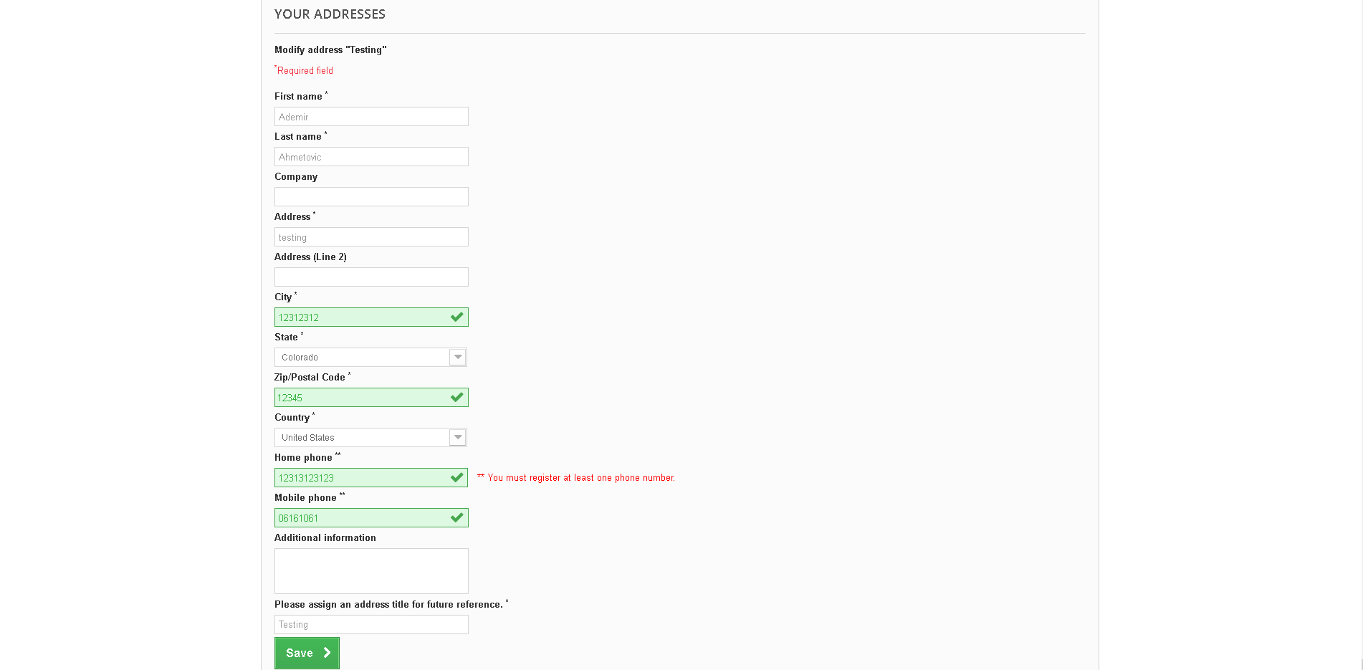
Checking Checkout functionality | 1. Pressing on a item from the Popular or Best seller tab | Checkout should be sucessful after entering data | Checkout is succesful after entering data | Pass | The test is sucessful after entering data , but seems like that I found a bug where entering numerical form into the city input the box detects it as a real city.
 | 2.Clicking on the item |  |  |  | Image :
 | 3. Adding Item to Cart
 | 4. Clicking on the Procced to Checkout button
 | 5. Pressing the Check Out button
 | 6. Adding new address for testing
 | 7. Entering credentials
 | 8. Pressing Save button
 | 9. Chosing Delivery Address added
 | 10.Pressing Procced to Checkout button
 | 11. Pressing the I agree checkbox
 | 12. Pressing the Procced to Checkout button
 | 13. Selecting payment type
 | 14. Pressing the I confrim my order button
Shop Now Button Funcionality | 1. Pressing the Shop now button | Should return to the shop store | Returns to 3rd party website | Pass | The test passes but it returns to a third party website.
 | 2. Seeing if it redirects to the shop store

